Sheet1
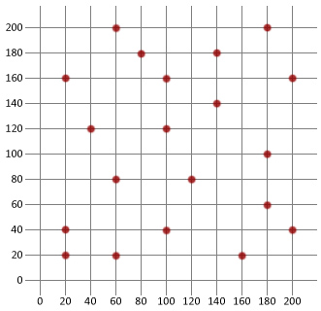
Point | x | y
0 | 20 | 160
1 | 20 | 40
2 | 20 | 20
3 | 40 | 120
4 | 60 | 200
5 | 60 | 80
6 | 60 | 20
7 | 80 | 180
8 | 100 | 160
9 | 100 | 120
10 | 100 | 40
11 | 120 | 80
12 | 140 | 180
13 | 140 | 140
14 | 160 | 20
15 | 180 | 200
16 | 180 | 100
17 | 180 | 60
18 | 200 | 160
19 | 200 | 40

